Test Cases - Funtional
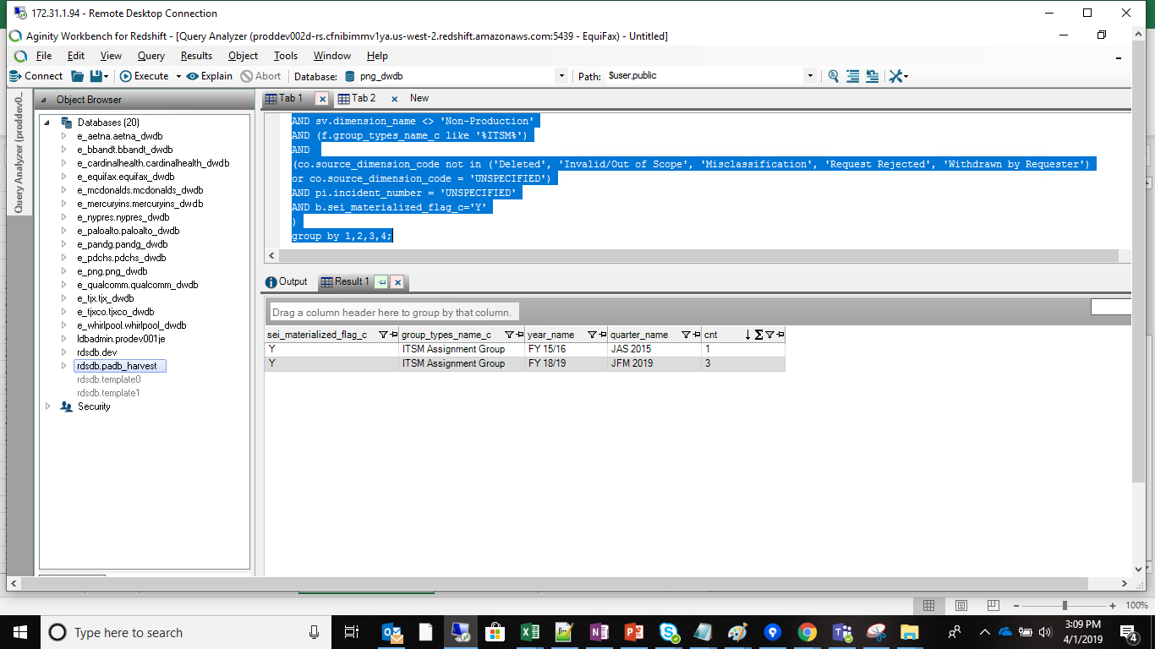
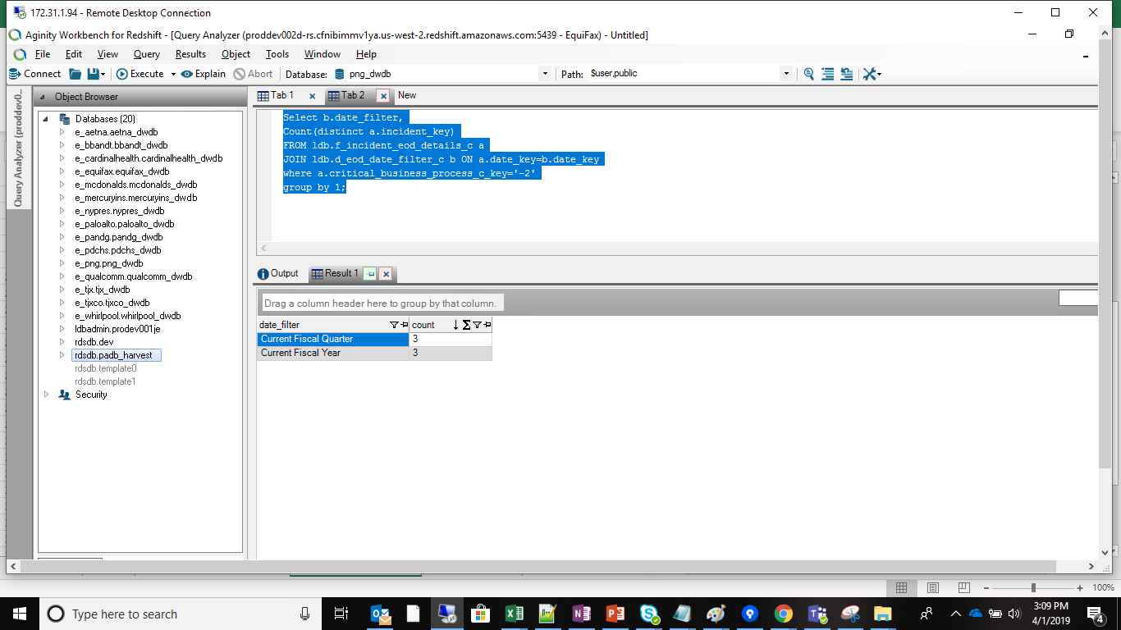
INDEX

TC_No | Test Case | Test Description | Expected Result | Actual Result | Result | Defect JIRA # | Comments
1 | DELV-16500 | New Exec Op Dash KPI Layout is specified in this attachment. Please note that the SEI Impact KPI has been replaced with a grid that lists out the SEI Impact incidents. | SEI Impacted details should be displayed in details view | SEI Impacted details is displayed in details view | Pass

SELECT b.sei_materialized_flag_c,f.group_types_name_c,daYF.year_name,daQ.quarter_name, Count(distinct b.incident_number) as CNT FROM ldb.f_incident a JOIN ldb.d_incident b ON a.incident_key=b.row_key join ldb.f_incident_cbp_eod_c bp ON b.row_key = bp.incident_cbp_c_key JOIN ldb.d_parent_incident pi ON b.parent_incident_key=pi.row_key JOIN ldb.d_calendar_date c ON a.opened_on_key=c.row_key JOIN ldb.d_calendar_month d ON c.month_start_date_key=d.row_key JOIN ldb.d_internal_contact e ON a.opened_by_key=e.row_key JOIN ldb.d_internal_organization_group f ON a.assignment_group_key=f.row_key JOIN ldb.d_ag_manager_role_vp_dir_ad_c g ON a.inc_assignment_group_key=g.internal_organization_key JOIN ldb.d_business_service bs ON a.business_service_key=bs.row_key JOIN ldb.d_incident_contacttype ct ON a.reported_type_src_key=ct.row_key JOIN ldb.d_incident_category ca ON b.category_src_key=ca.row_key JOIN ldb.d_incident_close_code co ON b.close_code_src_key=co.row_key JOIN ldb.d_incident_severity se ON b.severity_src_key=se.row_key JOIN ldb.d_lov_incident_service_type_c sv ON b.service_type_src_c_key=sv.row_key JOIN ldb.d_internal_contact_vp_c x ON g.vp_key=x.row_key JOIN ldb.d_internal_contact_director_c y ON g.director_key=y.row_key JOIN ldb.d_internal_contact_associate_director_c z ON g.associate_director_key=z.row_key JOIN ldb.d_calendar_date_fiscal da ON a.date_key=da.row_key JOIN ldb.d_calendar_fiscal_quarter daQ ON da.quarter_start_date_key=daQ.row_key JOIN ldb.d_calendar_fiscal_year daYF ON daQ.year_start_date_key=daYF.row_key where ( ct.source_dimension_name <> 'Auto Ticket' AND ca.source_dimension_name not in ('Duplicate / Test', 'Duplicate / Test') AND se.source_dimension_name <> 'Non Incident' AND sv.dimension_name <> 'Non-Production' AND (f.group_types_name_c like '%ITSM%') AND (co.source_dimension_code not in ('Deleted', 'Invalid/Out of Scope', 'Misclassification', 'Request Rejected', 'Withdrawn by Requester') or co.source_dimension_ |  |  |  | Select b.date_filter, Count(distinct a.incident_key) FROM ldb.f_incident_eod_details_c a JOIN ldb.d_eod_date_filter_c b ON a.date_key=b.date_key where a.critical_business_process_c_key='-2' group by 1;

